Test case TDD
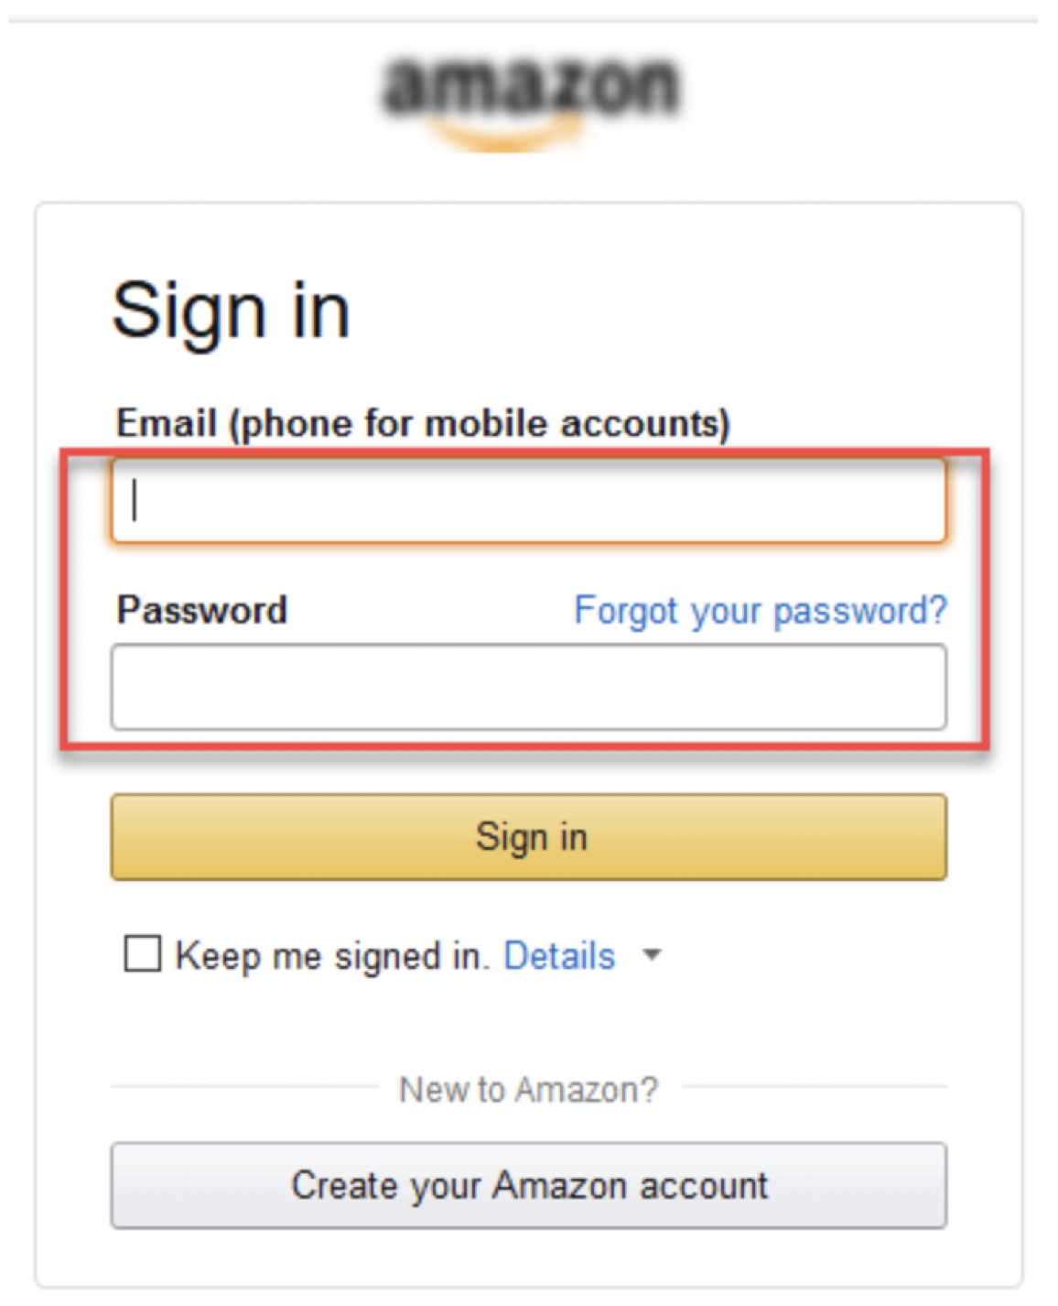
 | ID TC | Platform | Scenario | Case | Pre-Condition | Steps | Expectation | Browser/Devices | Execute date | Executor/PIC | Status | Execute date | Executor/PIC | Status
nugi | TC_01_001 | Web Application | Login | login with valid credential | email = nugi@gmail.com password = 12345 open browser = amazon.com | - click login button - input email $email - input password $password - click login | direct to home page | Chrome | 2022-08-08 | nugi | Failed | 2022-08-10 | siti | passed
nugi | TC_01_002 |  | Login | login with invalid email | email = invalid@gmail.com password = 12345 open browser = amazon.com | - click login button - input email $email - input password $password - click login | shown error notification "the email unregistered" | Firefox | 2022-08-08 | nugi | Passed | 2022-08-08 | nugi | Passed
zakia | TC_01_003 |  | Login | login with valid email invalid password | email = nugi@gmail.com password = invalid12345 open browser = amazon.com | - click login button - input email $email - input password $password - click login | shown error notification "the password is invalid"
siti | TC_01_004 |  | login | login with invalid email | email = invalid@gmail.com password = AKU123 open browser = amazon.com | - click login button - input email $email - input password $password - click login | shown error notification "your email not registered"
mawar | TC_01_005 |  | login | Login with empty password | email = invalid@gmail.com password = open browser = amazon.com | - click login button - input email $email - input password $password - click login | shown error notification "password is empty"
nisa |  |  | Login | Login with empty email | email = password = 12345 open browser = amazon.com | - click login button - input email $email - input password $password - click login | shown error message "email is required"
 | TC_02_001 | Mobile App | Check Out |  | - Login with Admin - Cart = 1. device farm amazon 2. S3 |  |  | IOS
 |  |  |  |  | - Login with user - Cart = 1. device farm amazon 2. S3
 | TC_01_008 |  |  | Login with empty email and empty password

